Introduction
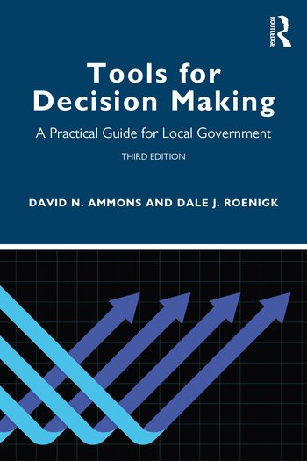
Staffing Factor Calculation

Exercise from the book Tools for Decision Making: A Practical Guide for Local Government, 3rd Edition

David N. Ammons and Dale Roenigk

The exercise in this spreadsheet comes from Chapter 14 in the book.

The second tab corresponds to the example in the chapter.

The third tab is a generic template that can be used to lay out staffing factor calculations.

The fourth tab is an exercise to extend the exercise in the chapter with more analysis.

The worksheets in this book may be used by the reader and shared but must not be resold to others.

To purchase a copy of the book
https://www.routledge.com/Tools-for-Decision-Making-A-Practical-Guide-for-Local-Government/Ammons-Roenigk/p/book/9780367654320

